Solver-5
Shortest Path Problem

 | From | To | Distance | Go | Nodes | Net Flow |  | Supply/Demand
 | S | A | 4 | 1 | S | 1 | = | 1
 | S | B | 2 | 0 | A | 0 | = | 0
 | S | C | 8 | 0 | B | 0 | = | 0
 | A | C | 5 | 0 | C | 0 | = | 0
 | A | D | 2 | 1 | D | 0 | = | 0
 | B | C | 6 | 0 | E | 0 | = | 0
 | B | E | 9 | 0 | T | -1 | = | -1
 | C | A | 5 | 0
A
2
D
 | C | B | 6 | 0
 | C | D | 1 | 0
4
5
1
7
 | C | E | 3 | 0
S
8
C
T
4
 | C | T | 4 | 1
 | D | A | 2 | 0
6
3
 | D | C | 1 | 1
B
2
E
5
 | D | T | 7 | 0
9
 | E | B | 9 | 0
 | E | C | 3 | 0
 | E | T | 5 | 0

 |  |  | Total Distance | 11

Solver-6
Travelling Salesman Problem

 | From | To | Distance | Go | Nodes | Net Flow |  | Supply/Demand | Traversing | Traverse
1 | S | A | 4 | 0 | S | 0 | = | 1 | 0 | -1
2 | S | B | 2 | 0 | A | 0 | = | 0 | 0 | 9
3 | S | C | 8 | 0 | B | 0 | = | 0 | 0 | 9
4 | A | C | 5 | 0 | C | 0 | = | 0 | 0 | 9
5 | A | D | 2 | 0 | D | 0 | = | 0 | 0 | 9
6 | B | E | 9 | 0 | E | 0 | = | 0 | 0 | 9
7 | C | B | 6 | 0 | T | 0 | = | -1 | 0 | 10
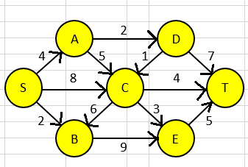
8 | C | E | 3 | 0
9 | C | T | 4 | 0
10 | D | C | 50 | 0
11 | D | T | 7 | 0
12 | E | T | 5 | 0

 |  |  | Total Distance | 0

Correlation-2
 | Number of Absences | Final Grade %
Student | x | y | x * y | x ^ 2 | y ^ 2
A | 6 | 82
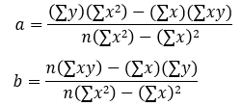
B | 2 | 86
C | 15 | 43
D | 9 | 74
E | 12 | 58
F | 5 | 90
G | 8 | 78
Total

Regression-1
GPA x1 Residual Plot
3.2 | 1
2.7
2.5
3.4
2.2
Age x2 Residual Plot
22 | 1
27
24
28
23
Student | GPA x1 | Age x2 | State Board Score y
A | 3.2 | 22 | 550
B | 2.7 | 27 | 570
C | 2.5 | 24 | 525
D | 3.4 | 28 | 670
E | 2.2 | 23 | 490

Regression-2
Quantity Sold | Price | Advertising
8500 | $2 | $2,800
4700 | $5 | $200
5800 | $3 | $400
7400 | $2 | $500
6200 | $5 | $3,200
7300 | $3 | $1,800
5600 | $4 | $900

Advertising Line Fit Plot
 | Quantity Sold | Predicted Quantity Sold
$2,800 | 8500
$200 | 4700
$400 | 5800
$500 | 7400
$3,200 | 6200
$1,800 | 7300
$900 | 5600

Normal Probability Plot

T-test & Pair-test
Female | Male
26 | 23
25 | 30
43 | 18
34 | 25
18 | 28
52

Female | Male
26 | 23
25 | 30
43 | 18
34 | 25
18 | 28
52

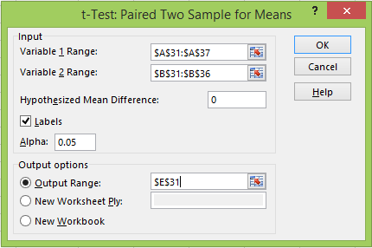
Female | Male
26 | 23
25 | 30
43 | 18
34 | 25
18 | 28
52 | 45

(Same Number of observations reqd.)

TwoWayANOVA
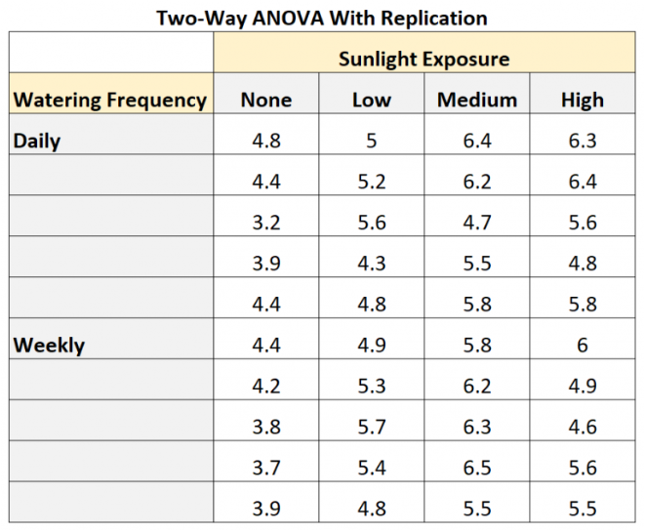
 | Group 1 | Group 2 | Group 3
Group A | 10 | 10 | 9
 | 7 | 2 | 6
 | 10 | 10 | 9
Group B | 1 | 4 | 4
 | 1 | 2 | 1
 | 9 | 4 | 9
Group C | 1 | 5 | 10
 | 4 | 7 | 10
 | 4 | 5 | 10

